Responsive testing
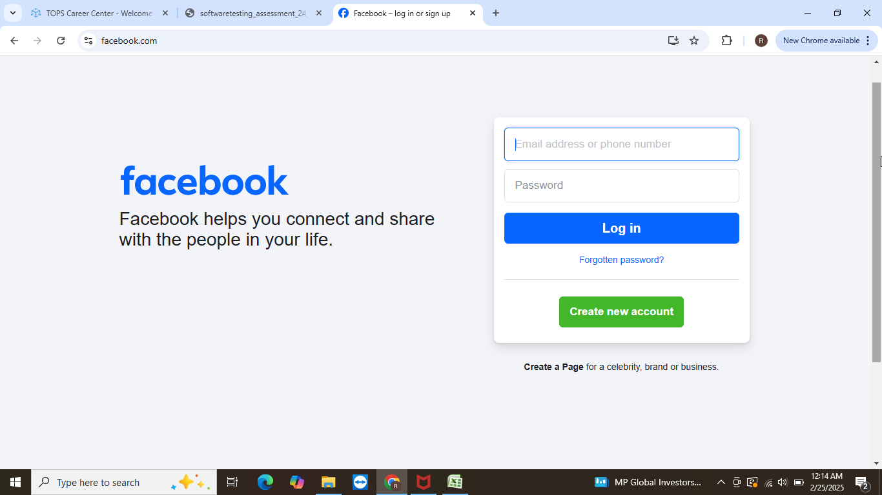
1 | It is laptop view and this is responsive

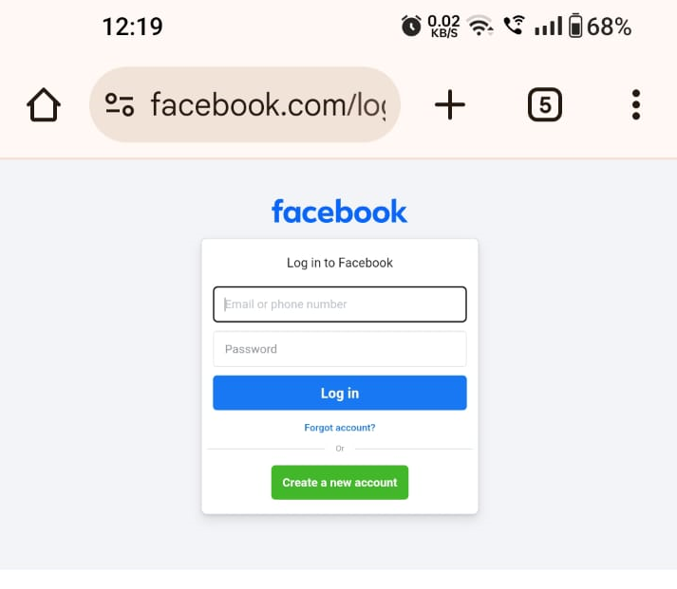
2 | It is android mobile view and this is responsive

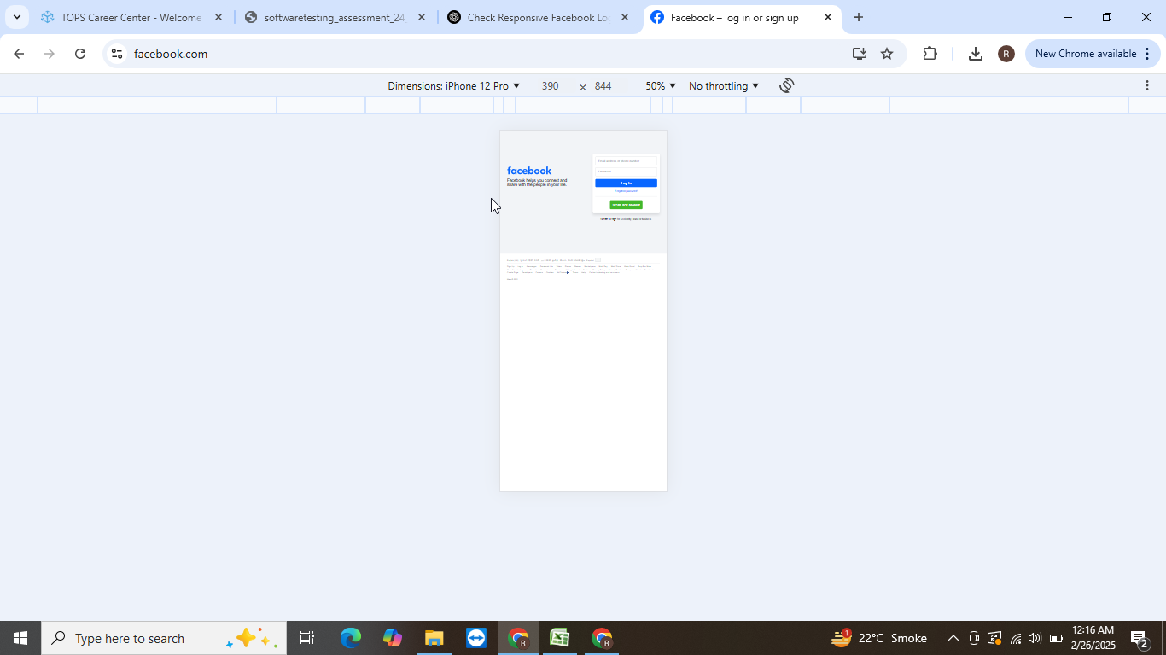
3 | IPHONE 12 PRO IT IS RESPONSIVE

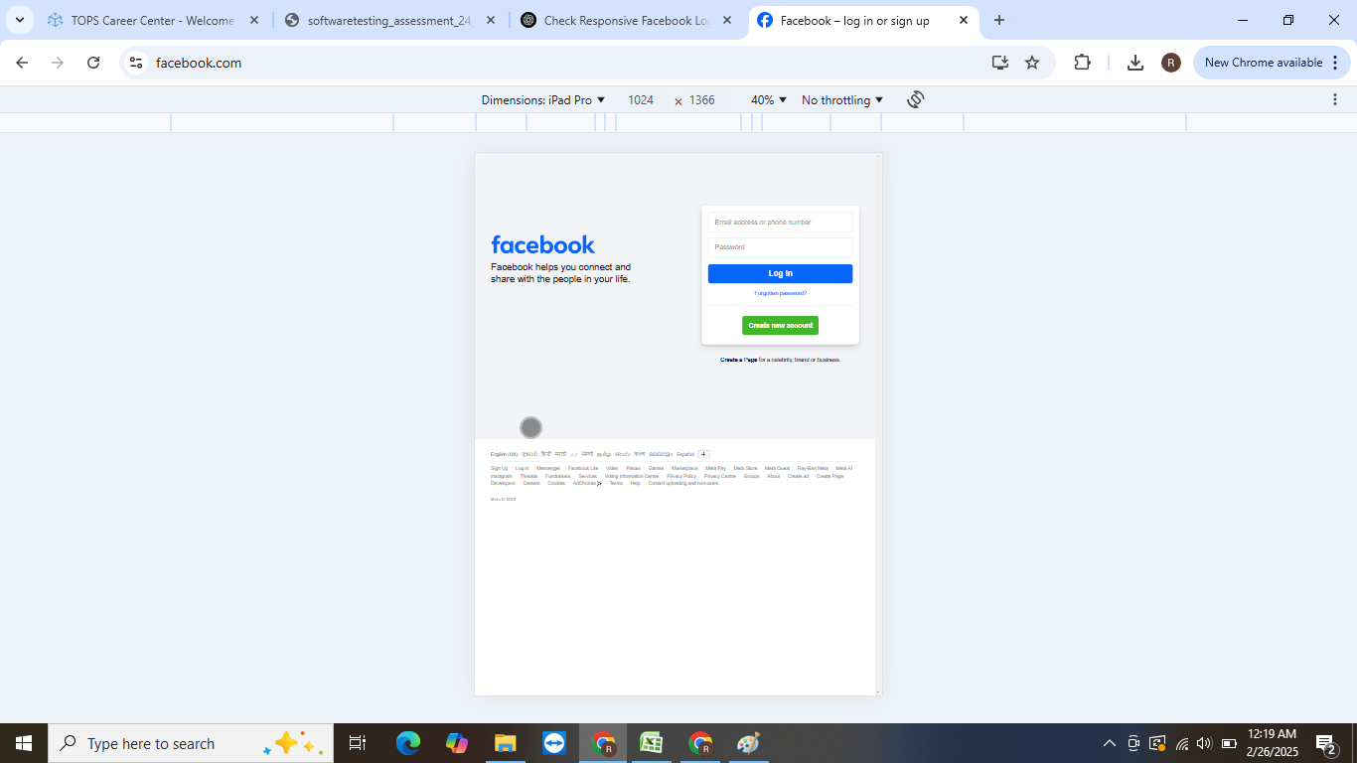
4 | IT IS IPAD VIEW THIS IS RESPONSIVE

